row-example
Reference | Week 01 | Week 02 | Week 03 | Week 04 |  |  |  | Order Number | Order Date | Quantity | Rate | Amount | Sum of last 7 days
Sunday | 4500 | 2200 | 1100 | 1050 |  |  |  | 1 | 2020-03-28 | 25 | 2,500 | 62,500 | 363,880
Monday | 5500 | 3200 | 1200 | 1100 |  |  |  | 2 | 2020-03-29 | 18 | 680 | 12,240
Tuesday | 6500 | 4200 | 1300 | 1150 |  | B |  | 3 | 2020-03-30 | 5 | 260 | 1,300
Wednesday | 7500 | 5200 | 1400 | 1200 | C | A | E | 4 | 2020-03-31 | 15 | 4,900 | 73,500
Thursday | 8500 | 6200 | 1500 | 1250 |  | D |  | 5 | 2020-04-01 | 16 | 2,370 | 37,920
Friday | 9500 | 7200 | 1600 | 1300 |  |  |  | 6 | 2020-04-02 | 15 | 5,500 | 82,500
Saturday | 10500 | 8200 | 1700 | 1350 |  |  |  | 7 | 2020-04-03 | 16 | 540 | 8,640 | 363880 | =SUM(OFFSET(S3,COUNT(S4:S13),0,-7,1))
 |  |  |  |  |  |  |  | 8 | 2020-04-04 | 24 | 975 | 23,400
 |  | 6500 |  | 3200 |  | D | =OFFSET(I7,1,0) | 9 | 2020-04-05 | 16 | 1,800 | 28,800 | 763840 | =SUM(OFFSET(S3,COUNT(S4:S21),0,-7,1))
 |  | =OFFSET(A3,3,1) |  |  |  |  |  | 10 | 2020-04-06 | 10 | 10,912 | 109,120
 |  |  |  |  |  | B | =OFFSET(I7,-1,0) | 10 | 2020-04-06 | 10 | 10,912 | 109,120
 |  |  |  |  |  |  |  | 10 | 2020-04-06 | 10 | 10,912 | 109,120
 |  |  |  |  |  | E |  | 10 | 2020-04-06 | 10 | 10,912 | 109,120
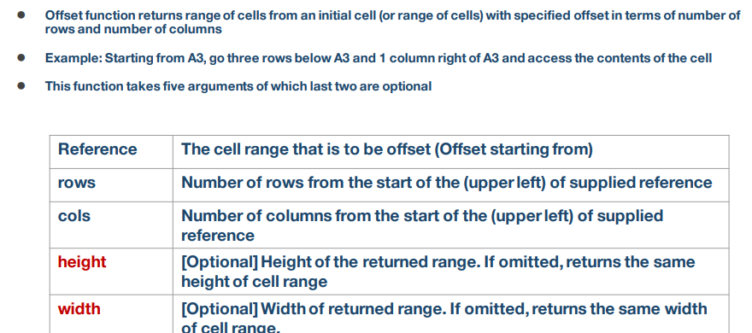
 |  |  |  |  |  | C |  | 10 | 2020-04-06 | 10 | 10,912 | 109,120
 |  |  |  |  |  |  |  | 10 | 2020-04-06 | 10 | 10,912 | 109,120
 |  |  |  |  |  |  |  | 10 | 2020-04-06 | 10 | 10,912 | 109,120
 |  |  |  |  |  |  |  | 10 | 2020-04-06 | 10 | 10,912 | 109,120
 |  |  |  |  |  |  |  | 10 | 2020-04-06 | 10 | 10,912 | 109,120

name-range-indirect
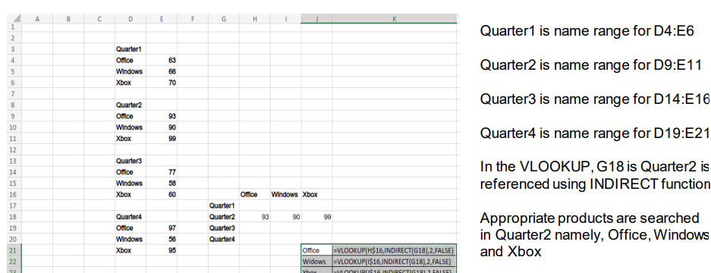
Quarter1
Office | 63
Windows | 66
Xbox | 70

Quarter2
Office | 93
Windows | 90
Xbox | 99

Quarter3
Office | 77
Windows | 58
Xbox | 60 |  | Office | Windows | Xbox
 |  | Quarter1
Quarter4 |  | Quarter2 | 93 | 90 | 99
Office | 97 | Quarter3
Windows | 56 | Quarter4
Xbox | 95 |  |  |  | Office | =VLOOKUP(H$16,INDIRECT(G18),2,FALSE)
 |  |  |  |  | Widows | =VLOOKUP(I$16,INDIRECT(G18),2,FALSE)
 |  |  |  |  | Xbox | =VLOOKUP(J$16,INDIRECT(G18),2,FALSE)

indirect-example
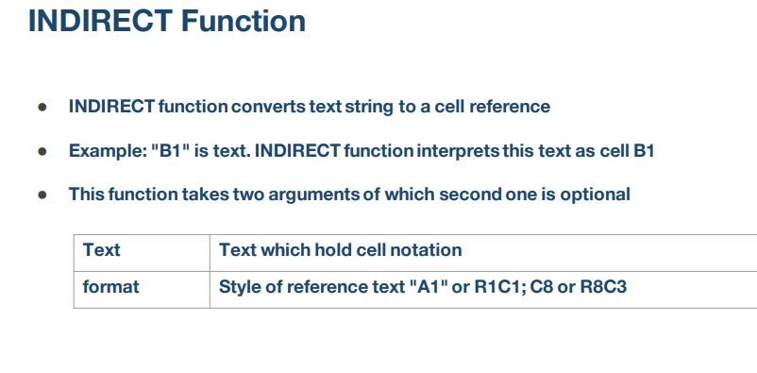
=INDIRECT(B3)
1 | C3 | 1 | 2 | 3 | 4
5 | C4 | 5 | 6 | 7 | 8
9 | C5 | 9 | 0 | 1 | 2
6 | C6 | 6 | 5 | 4 | 3

 | C15 | Euron

 | Euron
 | =INDIRECT(B15)

 | C24 | Hello world

 | Hello world | {=INDIRECT(B24)}
 | Hello world | {=INDIRECT("C24")}

sum-indirect-example
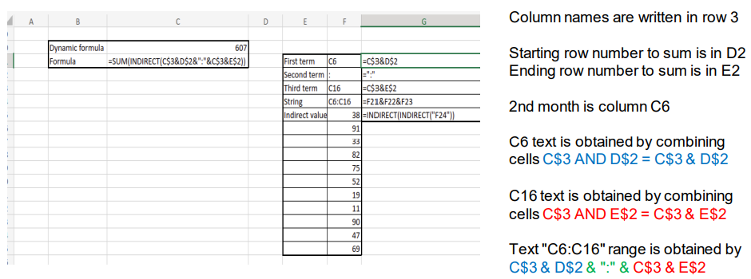
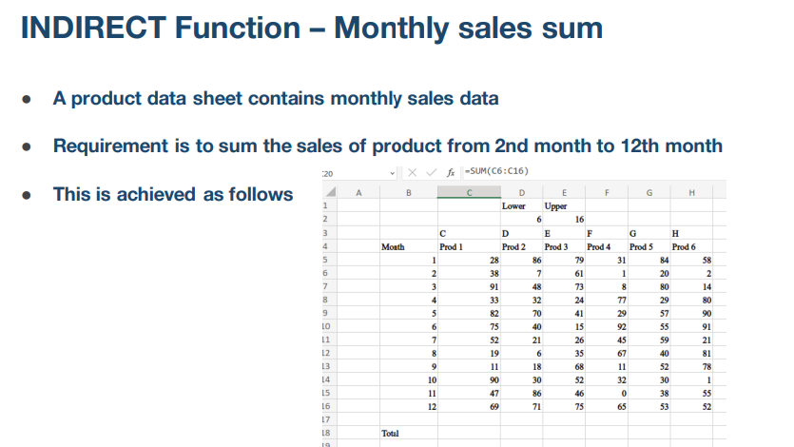
 |  | Lower | Upper
 |  | 6 | 16
 | C | D | E | F | G | H
Month | Prod 1 | Prod 2 | Prod 3 | Prod 4 | Prod 5 | Prod 6
1 | 28 | 86 | 79 | 31 | 84 | 58
2 | 38 | 7 | 61 | 1 | 20 | 2
3 | 91 | 48 | 73 | 8 | 80 | 14
4 | 33 | 32 | 24 | 77 | 29 | 80
5 | 82 | 70 | 41 | 29 | 57 | 90
6 | 75 | 40 | 15 | 92 | 55 | 91
7 | 52 | 21 | 26 | 45 | 59 | 21
8 | 19 | 6 | 35 | 67 | 40 | 81
9 | 11 | 18 | 68 | 11 | 52 | 78
10 | 90 | 30 | 52 | 32 | 30 | 1
11 | 47 | 86 | 46 | 0 | 38 | 55
12 | 69 | 71 | 75 | 65 | 53 | 52

Total

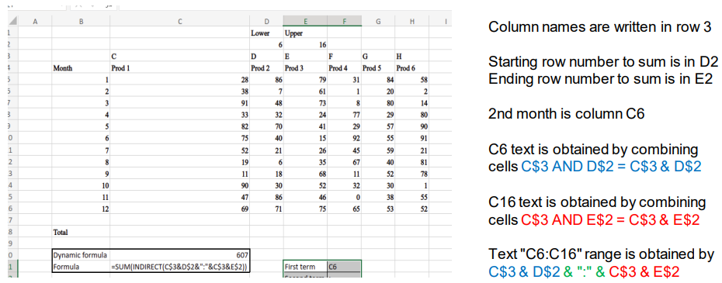
Dynamic formula | 607
Formula | =SUM(INDIRECT(C$3&D$2&":"&C$3&E$2)) |  | First term | C6 | =C$3&D$2
 |  |  | Second term | : | =":"
 |  |  | Third term | C16 | =C$3&E$2
 |  |  | String | C6:C16 | =F21&F22&F23
 |  |  | Indirect value | 38 | {=INDIRECT(INDIRECT("F24"))}
 |  |  |  | 91
 |  |  |  | 33
 |  |  |  | 82
 |  |  |  | 75
 |  |  |  | 52
 |  |  |  | 19
 |  |  |  | 11
 |  |  |  | 90
 |  |  |  | 47
 |  |  |  | 69

row-number-example
1 | 2 | 3 | 4 | 5 | 6
=COLUMN() | =COLUMN() | =COLUMN() | =COLUMN() | =COLUMN() | =COLUMN()
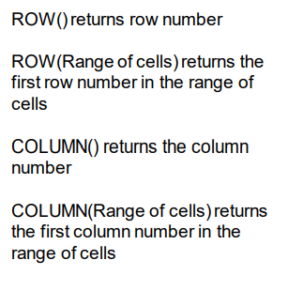
4 | =ROW()
5 | =ROW() |  |  |  |  | 6
6 | =ROW() |  |  |  |  | =COLUMNS(A1:F1) |  | eqwd
7 | =ROW() |  |  |  |  |  |  | 6 | =ROW(I6)
8 | =ROW() |  |  |  | 11 |  |  | 9 | =COLUMN(I6)
9 | =ROW() |  |  |  | =ROWS(A1:B11)
10 | =ROW()
 |  |  |  |  |  | 10

 |  | 8 | =ROW(E8) |  | 7 | =FORMULATEXT(G14)
 |  | 9 | {=ROW(E9:G12)}
 |  | 10 |  |  | 5 | 6 | 7
 |  | 11 |  |  | {=COLUMN(E9:G12)}
 |  | 12

 |  |  | eaf24
 |  |  | 24 | 4
 |  |  | =ROW(D24) | =COLUMN(D24)

